Sheet1
House Price Prediction Result
Ishan Acharyya
1901077

 |  |  | Validation MSE | Train MSE | Test MSE | Observations and Result Analysis:

Batch Gradient Descent |  |  | 11.261034303 | 18.620044926 | 20.666733196 | Insignificant Difference between Train, Test MSE and good perf, thus no Underfitting or Overfitting
Train:Validation:Test |  |  |  |  |  | of model is observed. Small difference betwene Validation and Train MSE, no Overfitting of Hyperparameters.
30 : 10 : 60

K-Fold Batch Gradient Descent |  | k=1(first fold) | 11.226980129 | 34.484404566 | 30.188389389 | The average error is near the Train, Test MSE, verifying that our Model has no bias.
Validation using random 30pc |  | k=2(second fold) | 11.226980129 | 33.855392927 | 32.302239963 | However, the MSE has gone up, indication slight underfitting.
Train:Test |  | k=3(third fold) | 11.226980129 | 36.696529061 | 33.297600801 | No overfitting, since performance is comparable for both sets
25 : 75 |  | k=4(fourth fold) | 11.226980129 | 35.220152349 | 37.083787044
 |  | Average: | 11.226980129 | 35.064119726 | 33.218004299

Stochastic Gradient Descent |  |  | 9.5477329156 | 16.192835912 | 19.612123459 | Insignificant Difference between Train, Test MSE and good perf, thus no Underfitting/Overfitting of model.
Train:Validation:Test |  |  |  |  |  | Small difference betwene Validation and Train MSE, thus we see no overfitting of Hyperparameters.
30 : 10 : 60 |  |  |  |  |  | The MSE is lower compared to Batch Gradient Descent, but the runtime is significantly greater, making Batch
 |  |  |  |  |  | gradient descent better for this dataset(Boston Housing dataset), which is smaller in size.

Gradient Descent using skLearn |  |  | NA | 11.056308247 | 11.470830991 | Insignificant Difference between Train, Test MSE and good perf is observed,
*Benchmark* | Train:Test |  |  |  |  | thus no Underfitting/Overfitting of models
 | 30 : 70

K-Fold Linear Regression |  | k=1(first fold) | NA | 40.175860235 | 43.730105962 | The average error is near the Train, Test MSE, verifying that our Model has no bias .
using sklearn |  | k=2(second fold) |  | 39.287180486 | 47.510232354 | However, the MSE has gone up significantly, indicating slight underfitting with the given split.
 |  | k=3(third fold) |  | 40.73223014 | 41.976280221 | No overfitting can be observed.
Train:Test |  | k=4(fourth fold) |  | 41.428331902 | 40.356736311
25 : 75 |  | Avg |  | 40.405900691 | 43.393338712

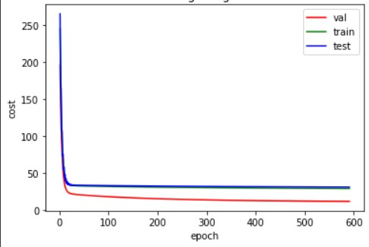
Corresponding Graphs
Batch Gradient Descent:

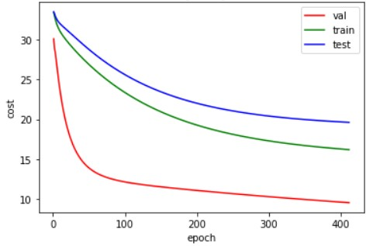
Stocashtic Gradient Descent:

K-Fold Batch Gradient Descent
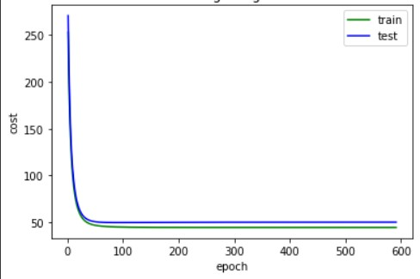
 | k=1

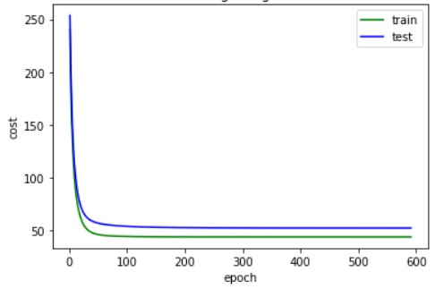
 | k=2

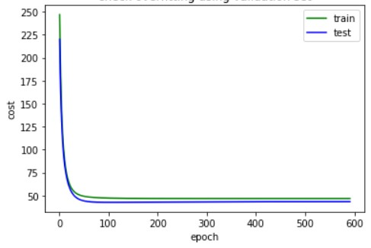
 | k=3

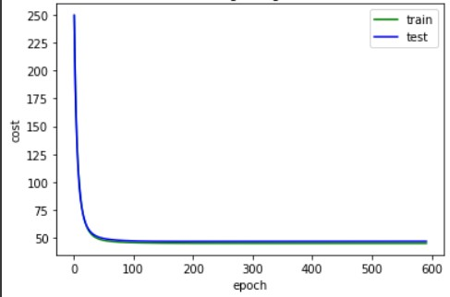
 | k=4

